Sheet1
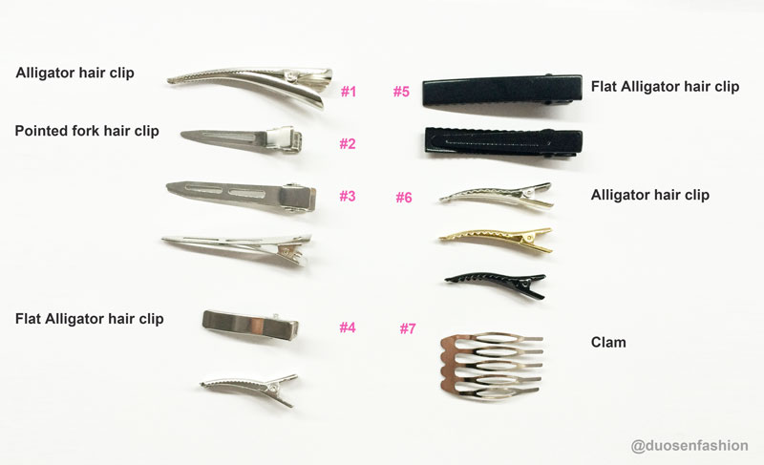
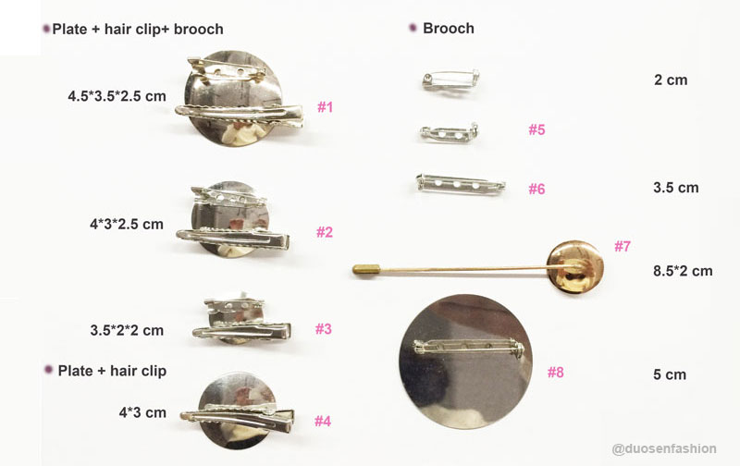
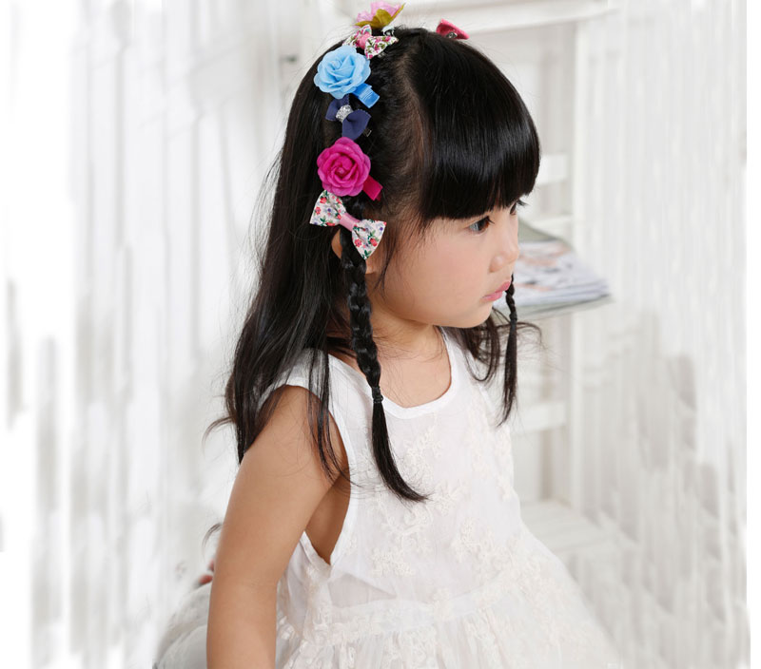
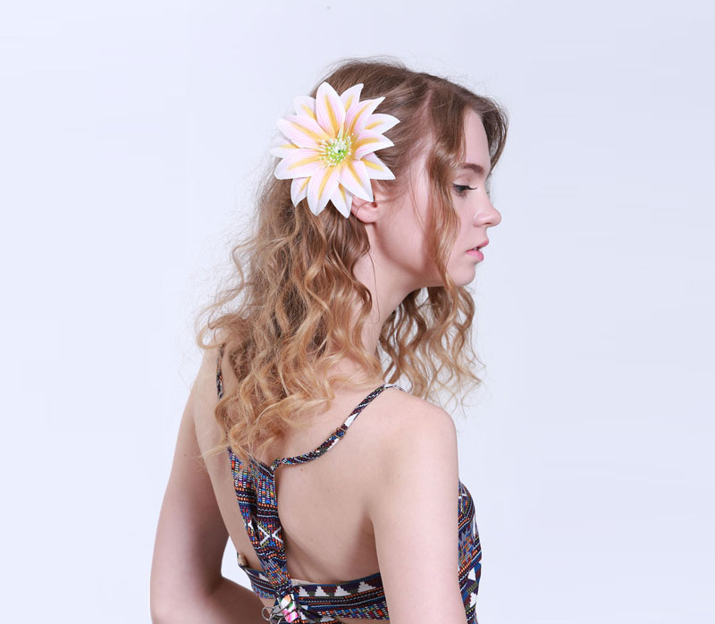
Dongguan DuoSen Hair Accessory Co.,Ltd Yi Mei Hair Accessory Factory Tel:86-0769-81513995 Skype:duosen1 Tax:86-0769-85103291 Email:icey@duosenfashion.com Web.:http://duosenfashion.com/ Add: NO.1 Nanshe Road, Dongfeng Village, Humen town, Dongguan City, Guangdong, China
❀Hair Clips ❀
Type | Fabric Hair Clip | Flower Hair Clip

Model | DSXS/D-YMXS (Children,Kids,Babies,Toddlers)
 | DS/D-YMTT (Adults,Teenager)
Size | Kid,adult,pet,dolly
Color | warm colour tone , cool colour tone
Feature | Headmade
Material | Silk flower , Fabric
Standard | Eco-friendly, GB, EU, Nickle free ,other special tests
Certificate | UL ,BSCI ,ISO 9001:2008
Audit | Disney ,L'Oreal ,Justice
Gender | Women,Girls,Kids,Unisex
Element | Flower ,bow , animals , ear ,crown ,fruit/food , pom-pom ball , ect.
Occasion | Travel,Party,Wedding,Christmas,Easter,Hallowams,Daliy life

Clip Specification
NAME | IMAGE | DEMRNSION (CM)
Snap hair clip | 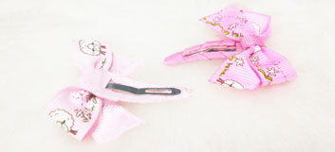 | 4 5 6 7
Alligator hair clip | 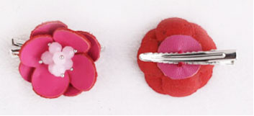 | 3 3.5 4 4.5 6
Flat Alligator hair clip | 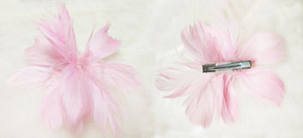 | 4 8
Barrette/BP-Bobby Pin | 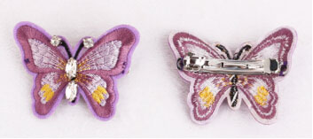 | 3 3.5 4 4.5 5.5
Banana hair clip | 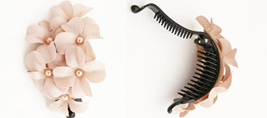 | 4 6 7 8 10
Brooch | 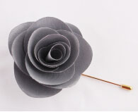 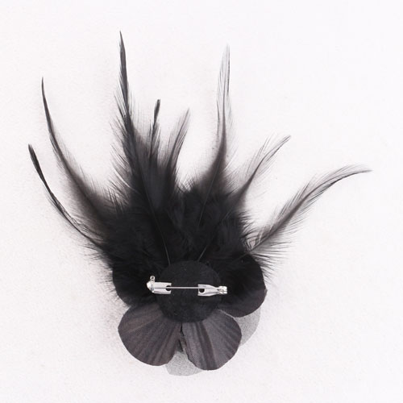 | 3.5 5 8.5
Plate hair clip | 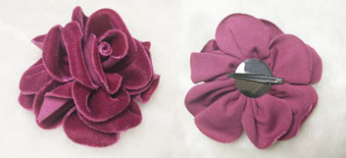 | 2*3.5 3*4 3.5 *4.5
Plate hair clip with brooch | 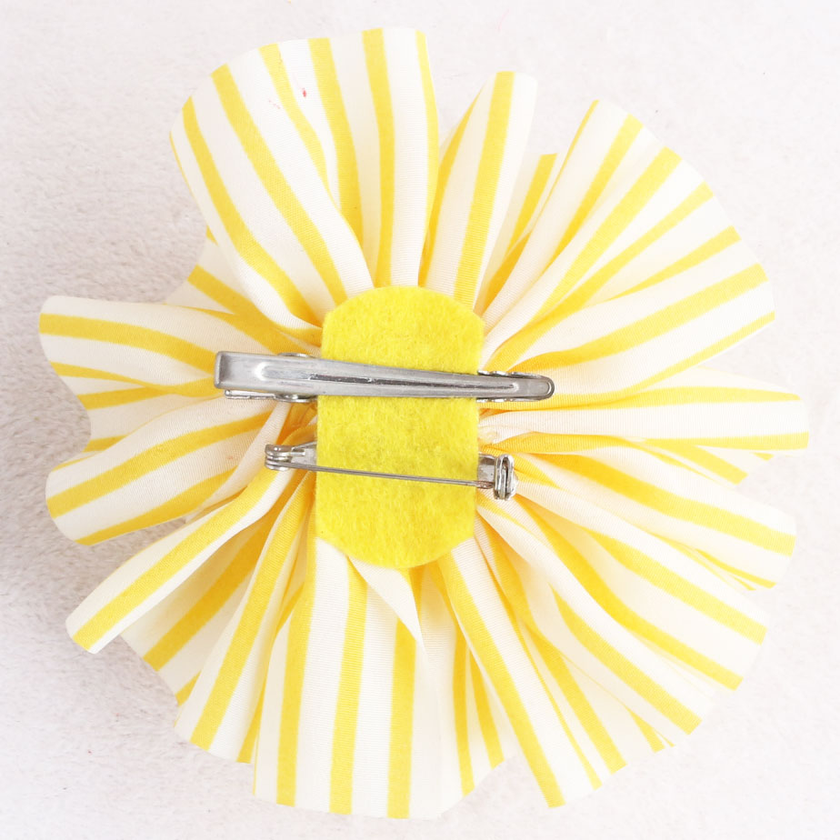 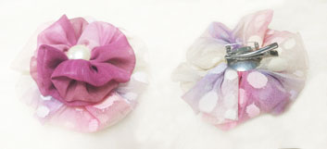 | 2*3.5*2 3*4*2.5 3.5 *4.5*2.5
Claw hair clip | 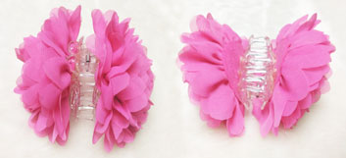 | 1-9 13.5
Pointed fork hair clip | 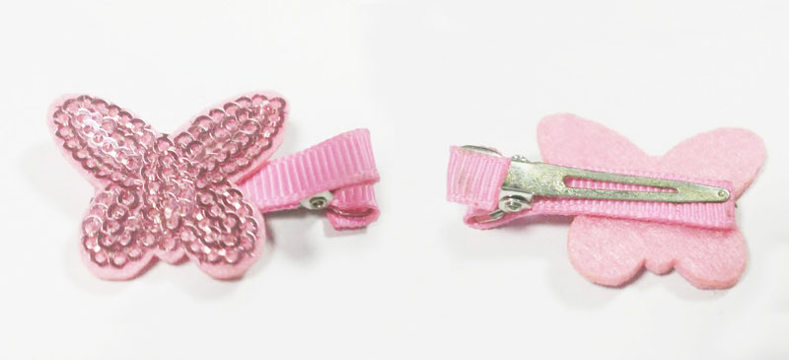 | 3 3.5 4 4.5 6
Double fork hair clip | 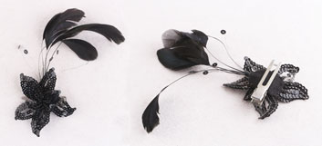 | 3 3.5 4 4.5 6
Remark | 1. The dimension given above are used regularly.We also can make the special dimension of hair clip with your design. 2. If you has any requirement of special tests,please advice in advance,we'll use the material in strict regulations.Such as: REACH ,EN71 ,AZO ,PH, Tensile test,Flame Retardant Test,ect. 3. We can provide hair clips with any shapes.If you need more designs or customized service for hair clip,please contsct us soon.
DUOSEN BOSS:Icey Du \ Date : 09-23-2016 By : Suki

* Hair clip

